Traffolyte
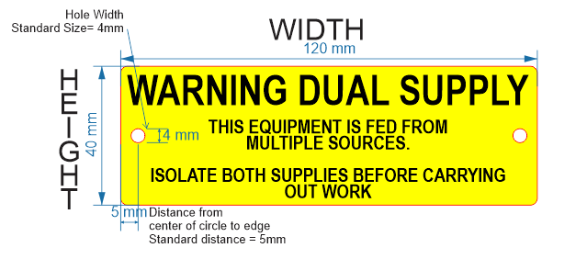
 | Traffolyte Labels
 | Material Thickness (mm) | Length (mm) | Height (mm) | No of Holes | Hole Size (mm) | Holes Symetrical | Round corners Y/N | Self Adhesive Y/N | Qty | Label Colour | Text Line 1 | Text Size | Text Line 2 | Text Size | Text Line 3 | Text Size | Text Line 4 | Text Size | Text Line 5 | Text Size | ADDITIONAL INFORMATION
 | 1.6 | 120 | 40 | 2 | 4 |  | N | Yes | 1 | Yellow/ Black text | WARNING DUAL SUPPLY | 9 | THIS EQUIPMENT IS FED FROM | 4 | MULTIPLE SOURCES | 4 | ISOLATE BOTH SUPPLIES BEFORE | 4 | CARRYING OUT WORK | 4

Stainless Steel
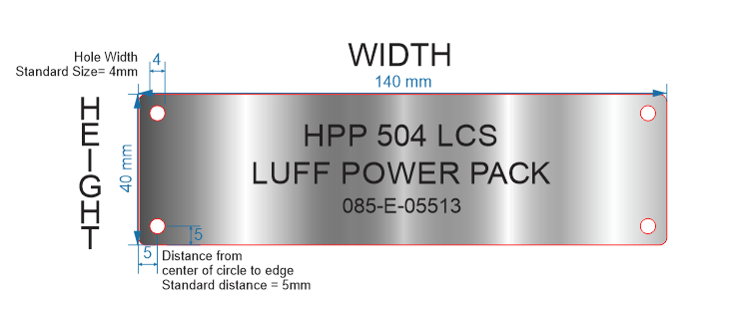
 |  |  |  |  |  | 316 Stainless Steel Order Form
 | Thickness | Length (mm) | Height (mm) | No of Holes | Hole Size (mm) | Holes Symmetrical | Qty | Text Line 1 | Text Size | Text Line 2 | Text Size | Text Line 3 | Text Size | Text Line 4 | Text Size | Text Line 5 | Text Size | Additional Information
 | 1.2 | 140 | 40 | 4 | 4 | Yes | 1 | HPP 504 LCS | 6 | LUFF POWER PACK | 6 | 085-E-05513 | 4

Cable Tags
 |  | Cable Tags
 | Cable Size | Qty | Text Line 1 | Text Line 2
 | 80x8mm |  | size will be to fit longest text | (if not required leave blank)

Extrusions & Inserts
 |  |  | Extrusions & Inserts
 | Style of Extrusion | Length (mm) | Insert Colour | Insert Height | Qty | Text Line 1 | Text Size | Text Line 2 LEAVE BLANK IF NOT REQUIRED | Text Size | ADDITIONAL INFORMATION
 | Silver Standard, 35mm | 300 | Red/White text | TO FIT | 1 | PORT 2 | 13 | PRODUCTION SUPERVISOR | 8
 | NOT REQUIRED | 400 | Pink/Black Text | 32 | 1 | ADMINISTRATOR | 25

